Prerequisite Info
Pre-requisite Informations

SETTING YOUR TASKBOT SO IT COULD OPEN YOUR XERO.COM ACCOUNT |  | DOWNLOAD COPY CSS SELECTOR FROM CHROME STORE |  |  | SETTING UP TABLES & RELEVANT INSTRUCTIONS


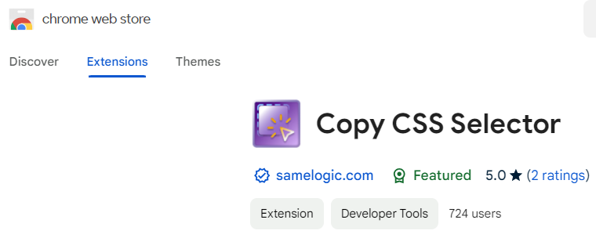
1 | Download Chrome extension "Cookie-Editor" so that the taskbot can login to your account | 1 | Download Chrome extension "Copy CSS Selector" |  | 1 | Create table named "Xero Profiles", add the following columns below:
 |  |  |  |  |  |  | > Company Name | > Affiliations
 |  |  |  |  |  |  | > Company Type | > Website
 |  |  |  |  |  |  | > Link | > About
 |  |  |  |  |  |  | > About Us | > Facebook Link
 |  |  |  |  |  |  | > Twiiter Link | > LinkedIn Link
 |  |  |  |  |  |  | > Address | > Advisor & Cert Num
 |  |  |  |  |  |  | > Number of Advisor | > Phone Number
 |  |  |  |  |  |  | > Number of Xero Certs
2 | Click the export button in the lower right side of the extension window | 2 | To use, just click the "Select an Element" button in the extension window
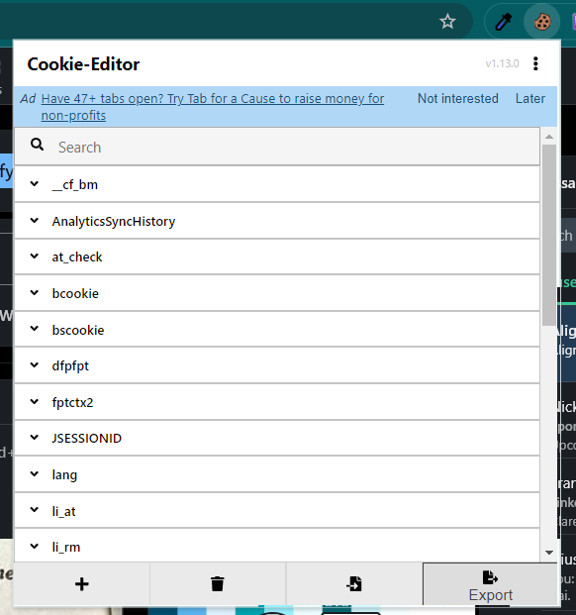
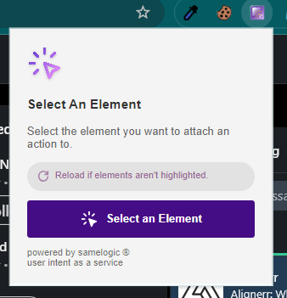

 |  | 3 | Click the Web element you wou want to copy the CSS selector
3 | Copy the JSON format
4 | Go to Zerork setting in the upper right corner and click the button
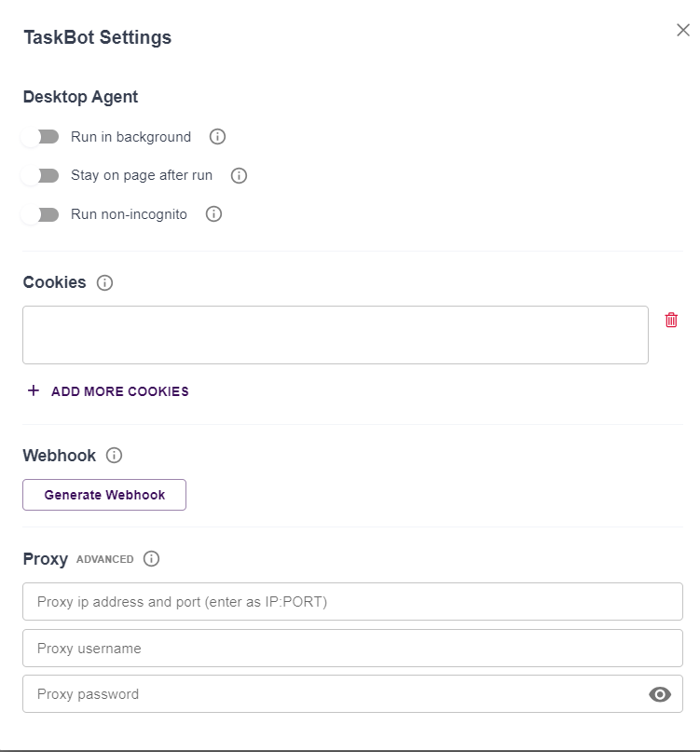

 |  | 4 | Copy the selector displayed in the extension window
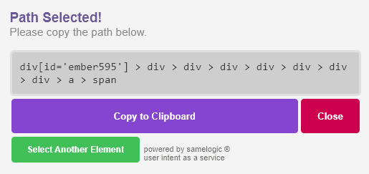

 |  | 5 | You can use this selector and copy it to the zerowork block
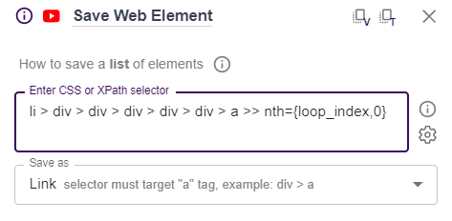

5 | Copy the JSON format cookie the the Cookies field

 |  | 6 | Note: Not all the time you can use this method. It is recommended to watch the Zerowork tutorial for in-depth information about selectors
 |  |  | Zerowork tutorial for in-depth information about selectors
 |  |  | Link: | https://www.youtube.com/@zerowork_io/playlists

01 Saving List of Profile
Step 01: Saving List of Profiles (xero.com)

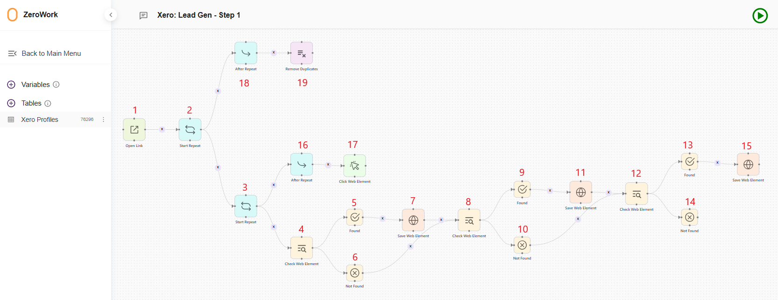
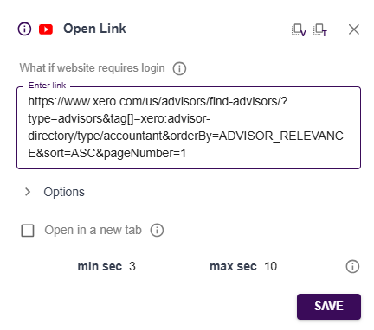
 | Block No. | Definition | Details
 | 1 | Starting block for the whole process. Include the link of the filtered query in LinkedIn

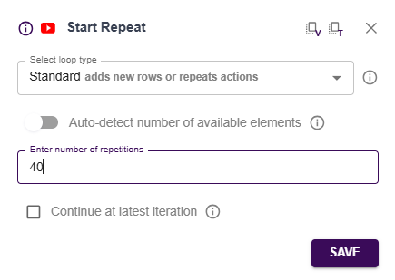
 | 2 | Loop for how many pagination iteration

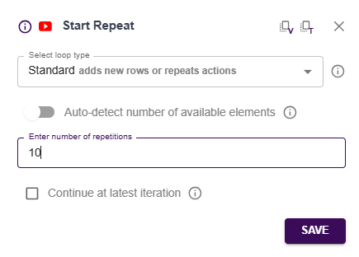
 | 3 | Loop for the reiteration of user profile in the list

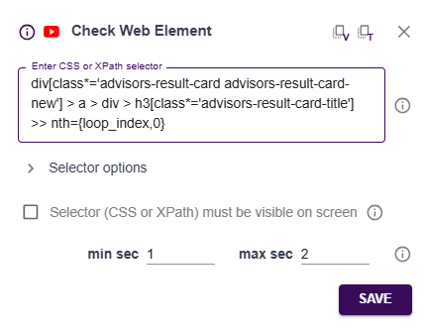
 | 4 | Checking for the presence of Company Name
 |  | in the page

 | 5 | Starting block if Company name is found

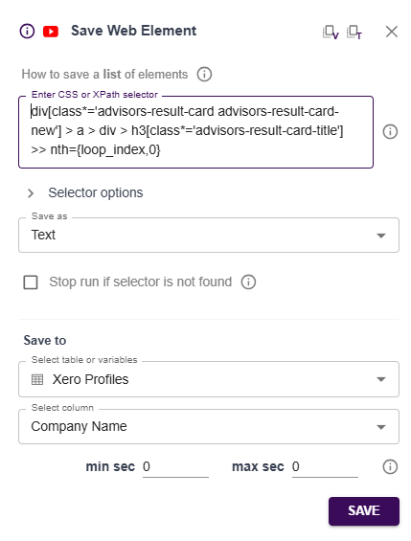
 | 6 | Condition block if Company name is not found,
 |  | go directly to block 8
 | 7 | Save Company name to table

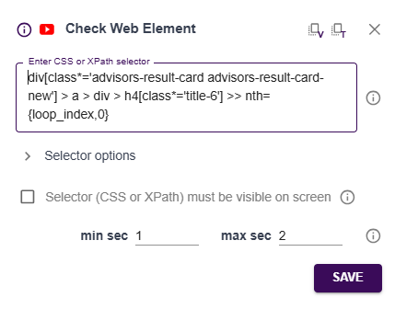
 | 8 | Checking for the presence of Company Name
 |  | in the page

 | 9 | Starting block if Company Type is found

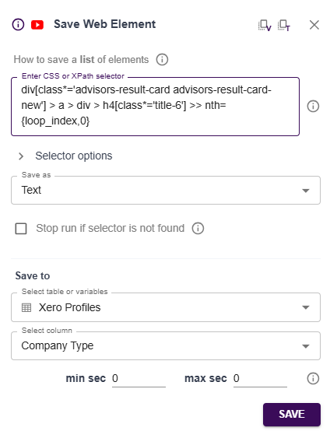
 | 10 | Condition block if Company type is not found,
 |  | go directly to block 12
 | 11 | Save Company type to table

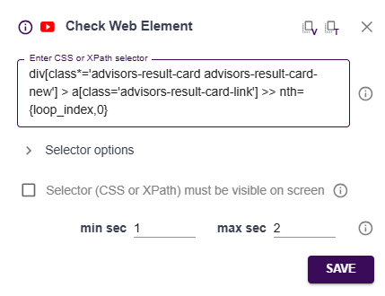
 | 12 | Checking for the presence of Link
 |  | in the page

 | 13 | Starting block if Link is found

 | 14 | Condition block if Link is not found,

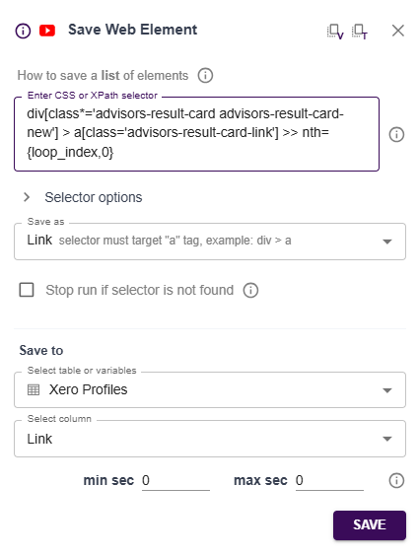
 | 15 | Save Link to table

 | 16 | Starting block for navigating down the page to find the "Next" button for pagination
 | 17 | Scroll down to show the Next button on the pagination (Bottom part of the page)
 | 18 | Starting block for the removal of duplicate links in the data table
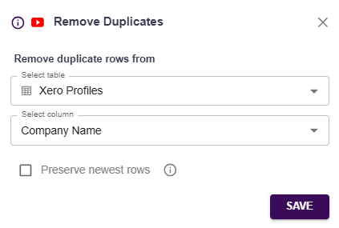
 | 19 | Remove duplicate company names in the data table

02 Visit Profile Links
Step 02: Visit Profile Links and Add Existing List with Additional Info

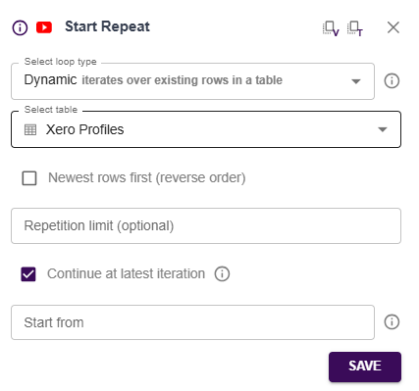
 | Block No. | Definition | Details
 | 1 | Starting block for visiting lead profile link. Note: Leave "Repition limit" and "Start from" input box to run from the beginning of the list to the last item

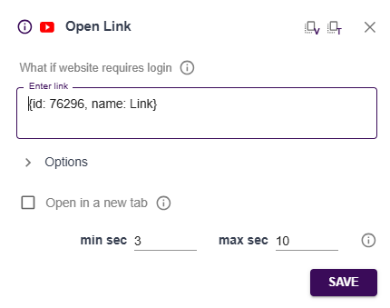
 | 2 | Open profile link from the table

 | 3 | Write JavaScript code to capture About Us section
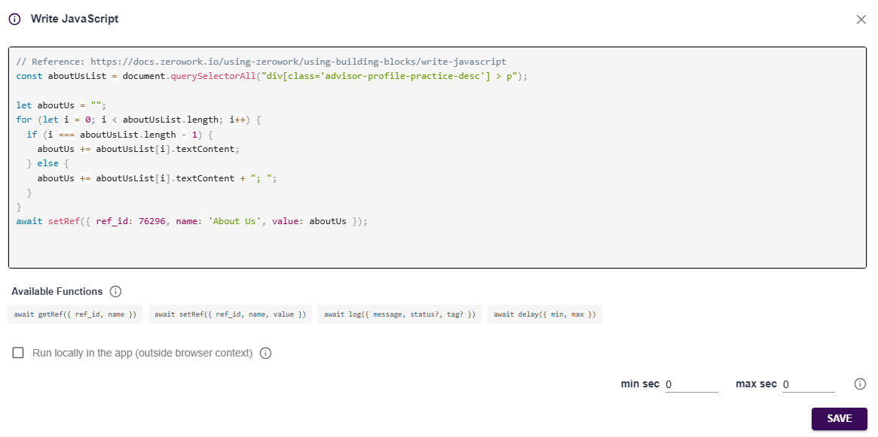

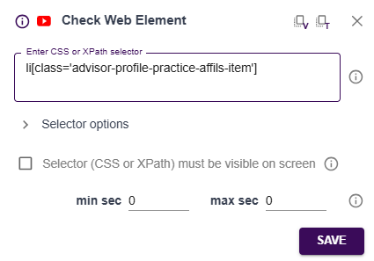
 | 4 | Checking for the presence of Affiliations
 |  | in the page

 | 5 | Starting block if Affiliations are found
 | 6 | Condition block if Affiliations are not found,
 |  | go directly to block 8

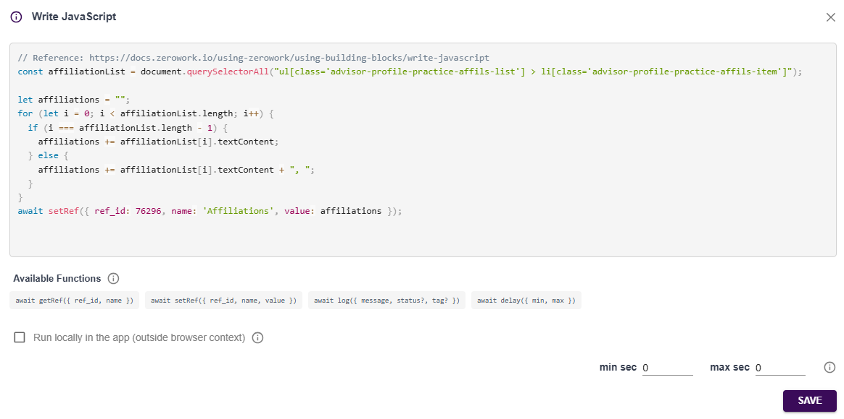
 | 7 | Write JavaScript code to capture Affiliations section

 | 8 | Checking presence of website link in the page | 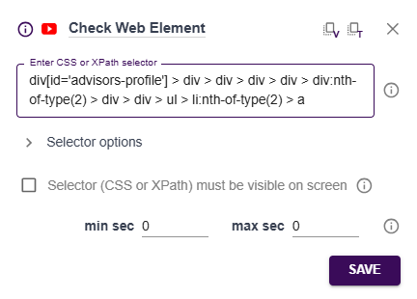

 | 9 | Starting block if website link is present

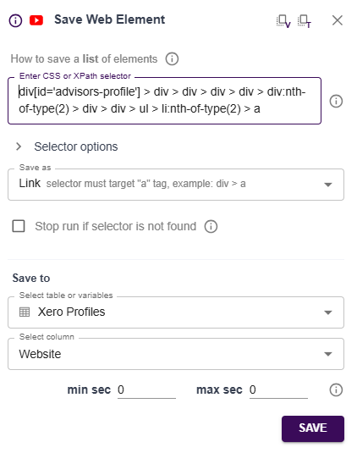
 | 10 | Condition block if website link is not found, go directly to block 12
 | 11 | Save website link to table

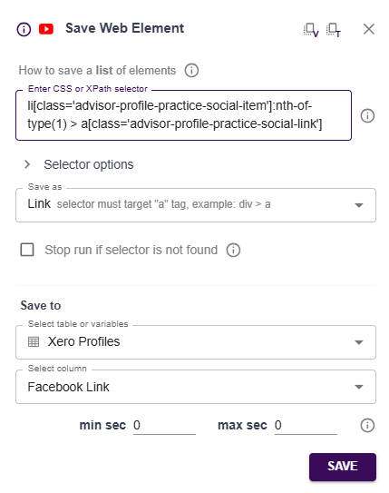
 | 12 | Check presence of Facebook link in page

 | 13 | Starting block if Facebook link is present

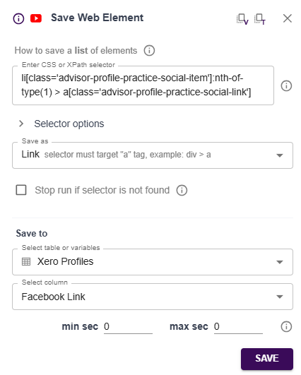
 | 14 | Condition block if Facebook link is not found, go directly to block 16
 | 15 | Save Facebook link to table

 | 16 | Check presence of Twitter link in page | 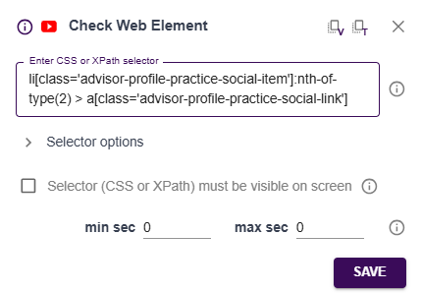

 | 17 | Starting block if Twitter link is present

 | 18 | Condition block if Twitter link is not found, go directly to block 20
 | 19 | Save Twitter link to table | 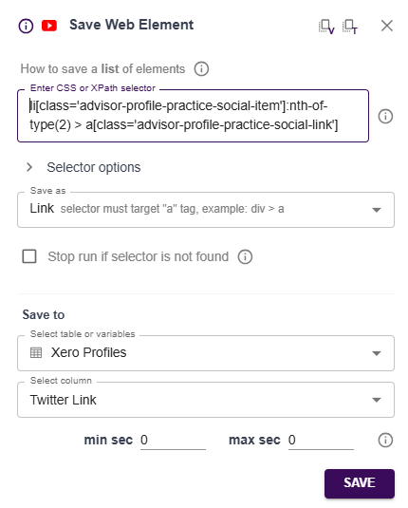
 | 20 | Check presence of LinkedIn link in page | 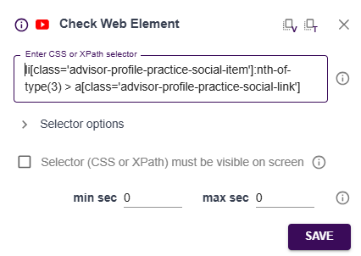
 | 21 | Starting block if LinkedIn link is present

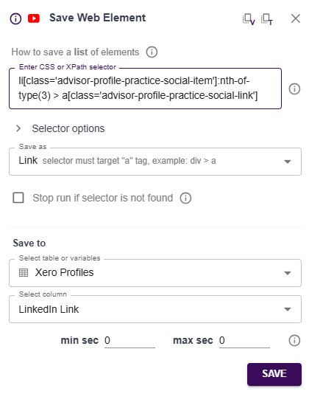
 | 22 | Condition block if LinkedIn link is not found, go directly to block 24
 | 23 | Save LinkedIn link to table

 | 24 | Check presence of Address in page | 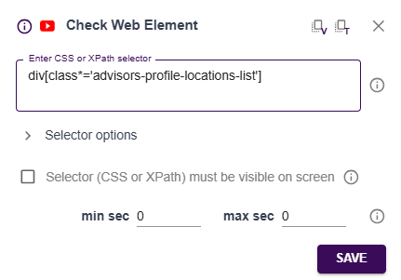
 | 25 | Starting block if Address is present


 | 26 | Condition block if Address is not found, go directly to block 28
 | 27 | Write JavaScript code to capture Address informaton

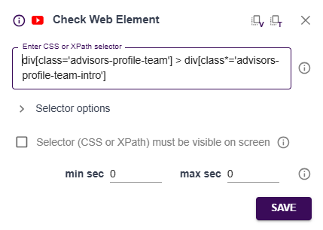
 | 28 | Check presence of Advisor & Cert Number in page

 | 29 | Starting block if Advisor & Cert Number is present

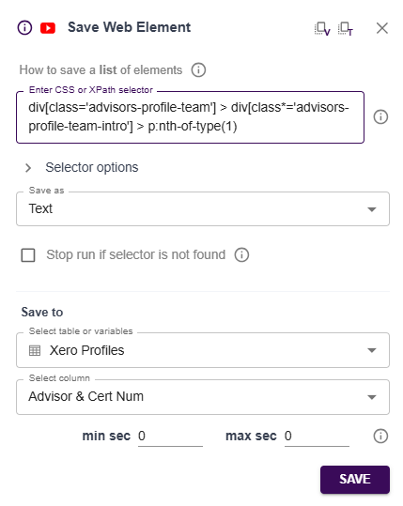
 | 30 | Condition block if Advisor & Cert Number is not found, go directly to block 33
 | 31 | Save Advisor & Cert Number to table

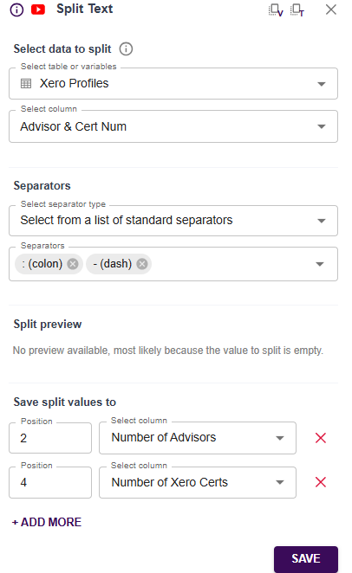
 | 32 | Split "Number of Advisor" and "Number of Xero Certs"
 |  | from the "Advisor & Cert Num" column
 |  | and put them in their designated column

 | 33 | Write JavaScript code to capture the Phone Number
 |  | information

